TUtorial Ninja
BUG ID | BUG DESCRIPTION | STEPS TO REPRODUCE | EXPECTED RESULT | ACTUAL RESULT | SEVERITY | SCREEN SHORT
BUG_001 | In the register page, when a user enters a number in the full name section. | 1. Click on the "Register" button. 2. Enter a number in the full name section. | A message should display that only alphabets are allowed. | Registration is successful even with a number in the full name section. | High | 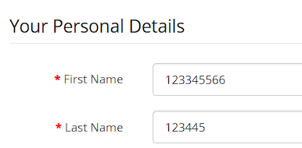
BUG_002 | In the mobile number section, the user enters an invalid number or alphabets. | 1. Click on the "Register" button. 2. Enter a 9-digit, 11-digit number, or alphabets in the mobile number field. | A message should display that the number must be exactly 10 digits and no alphabets are allowed. | Registration is successful even with an invalid number or alphabets in the mobile number section. | High | 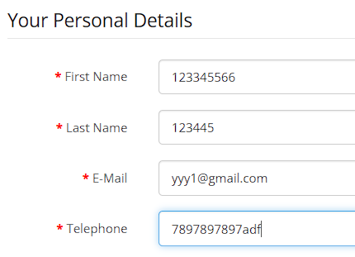
BUG_003 | After login, the username is missing in the top-right corner. | 1. Go to the login section. 2. Fill in valid credentials. 3. Click the "Login" button. | The username should appear in the top-right corner. | The username is missing in the top-right corner. | Medium | 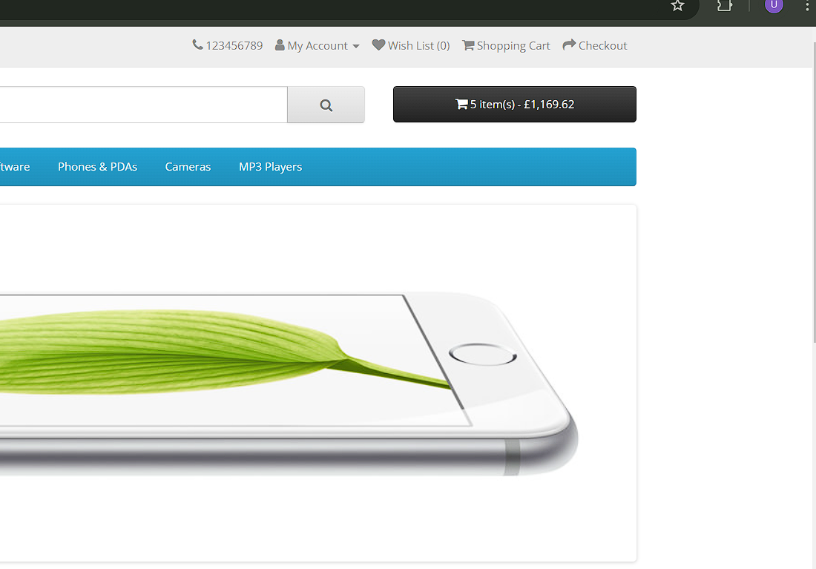
BUG_004 | The search section does not display appropriate results. | 1. Click on the "Search" section. 2. Enter data like "Laptop", "Mobile", or "Camera". | The user should see appropriate results based on the input. | The search section only displays results for "iPhone" and not for other inputs. | High | 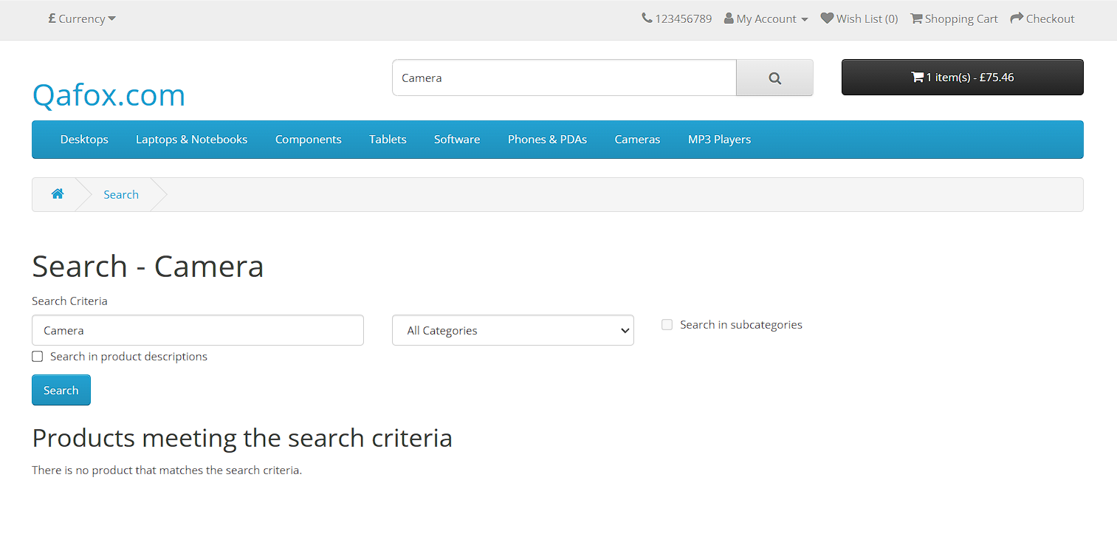
BUG_005 | Product information is incomplete in some sections. | 1. Click on a product (e.g., laptop or mobile). | The user should see complete product information, including specifications. | The product information is incomplete or missing in some sections. | Medium | 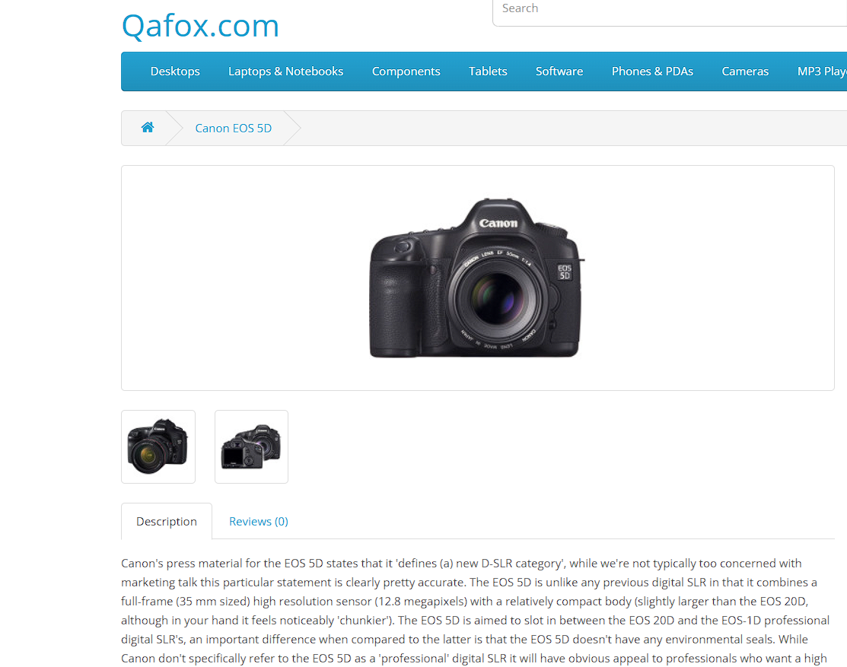
BUG_006 | Dropdown menu displays incorrect or missing category-wise data. | 1. Click on a specific dropdown menu. 2. Select a category. | The dropdown menu should display accurate data for the selected category. | Some categories (e.g., "Table", "Software", "Phones") do not work properly. | Medium
BUG_007 | Rating section is not functional. | 1. Click on the rating section of a product. | The rating section should function properly, allowing users to rate the product. | The rating section does not work. | Low | 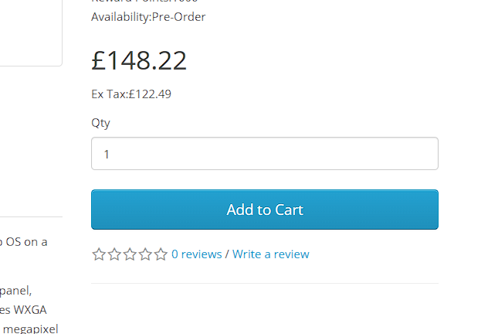
BUG_008 | Related products are not shown in specific sections. | 1. Click on a dropdown menu. 2. Select a specific product section. | Related products should appear in the specific section. | Random products appear instead of related ones. | High | 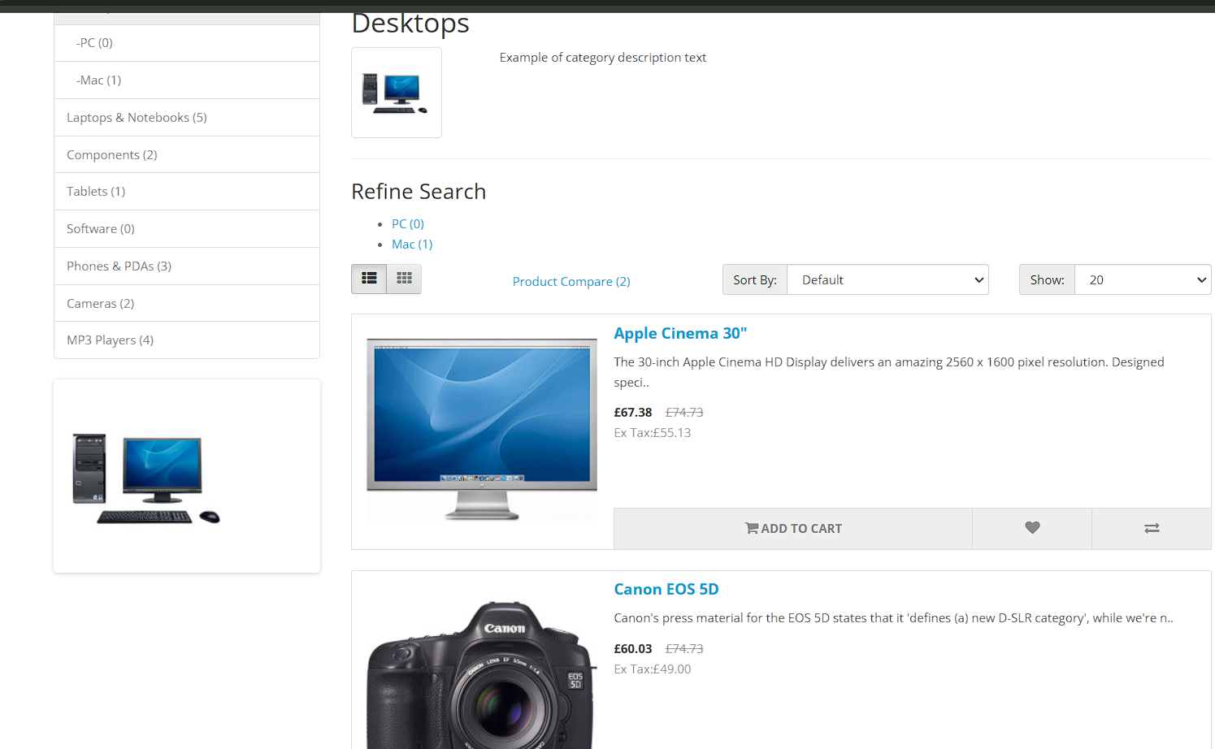
BUG_009 | The website logo is missing from the top-left corner. | 1. Open the browser. 2. Enter the website URL. | The website logo should appear in the top-left corner. | The website logo is missing. | Medium | 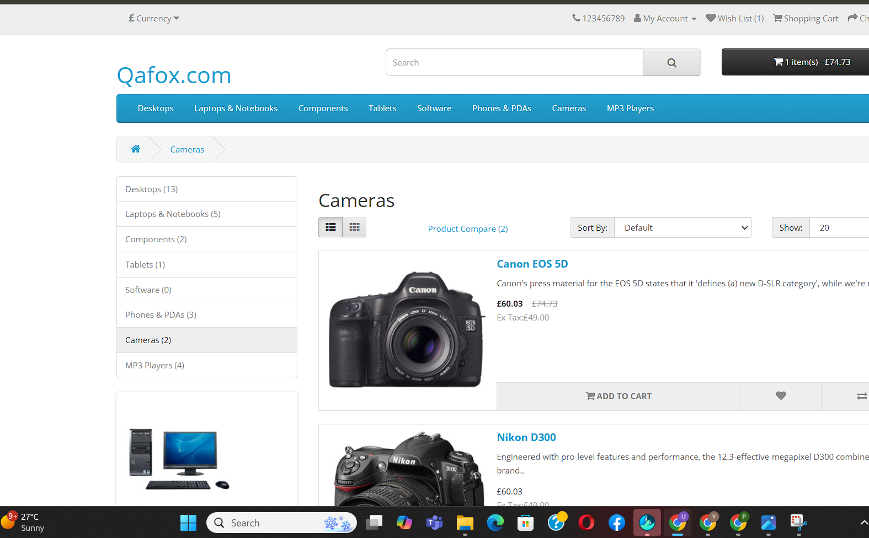
BUG_010 | Unnecessary information is displayed in the product section. | 1. Click on the product section. | Only relevant information should be displayed. | Unnecessary information (e.g., unrelated data) is shown. | Medium
BUG_011 | Related products are missing in the product information section. | 1. Click on the product section. 2. Open product information. | Related products should appear in the product information section. | Related products are missing for some items (e.g., "Camera"). | Medium | 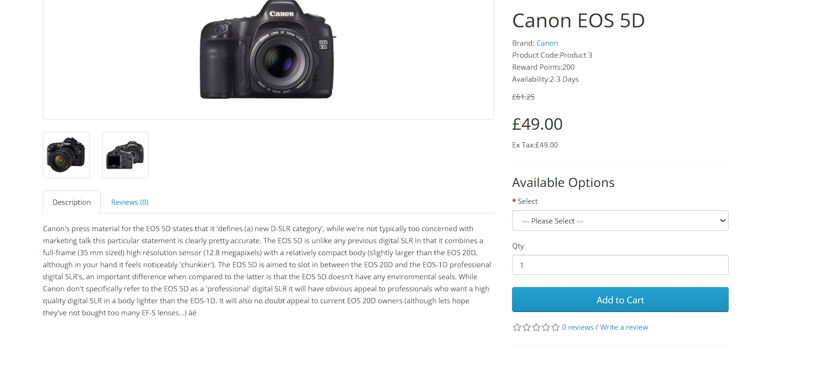
BUG_012 | Number entry is accepted in the billing name section. | 1. Add a product to the cart. 2. Proceed to checkout. 3. Enter a number in the name section of the billing form. | An error message should display stating only alphabets are allowed. | No error is displayed, and the form is submitted successfully. | Medium | 
BUG_013 | Some states are missing in the state dropdown in the billing section. | 1. Add a product to the cart. 2. Proceed to checkout. 3. Open the state dropdown in the billing form. | All states should be displayed. | "Jharkhand" is missing in the state dropdown. | Medium | 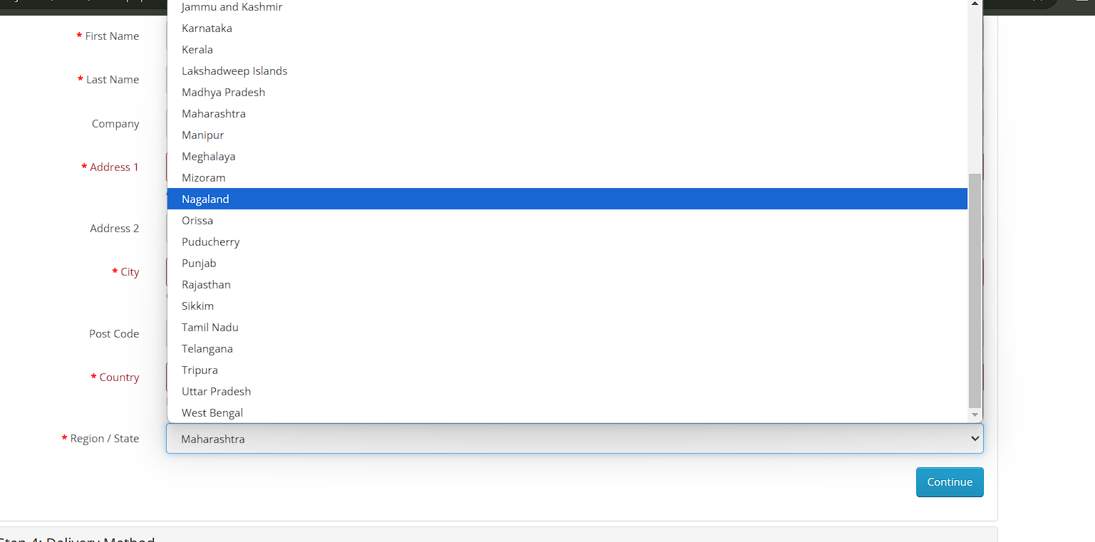
BUG_014 | Payment methods are missing on the checkout page. | 1. Add a product to the cart. 2. Proceed to checkout. 3. Review payment options. | Multiple payment methods (e.g., Debit Card, UPI) should be available. | Card and UPI payment methods are missing. | High | 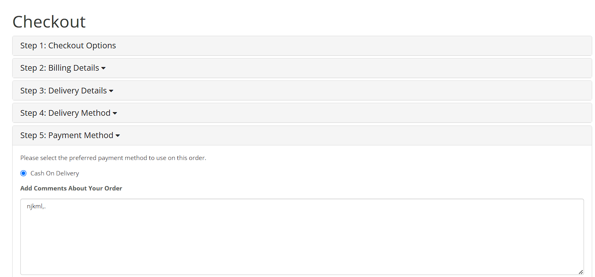
BUG_015 | "Add to cart" button is functional for out-of-stock products. | 1. Select a product that is out of stock. 2. Click "Add to cart". | The "Add to cart" button should be disabled for out-of-stock products. | The "Add to cart" button is functional. | Low | 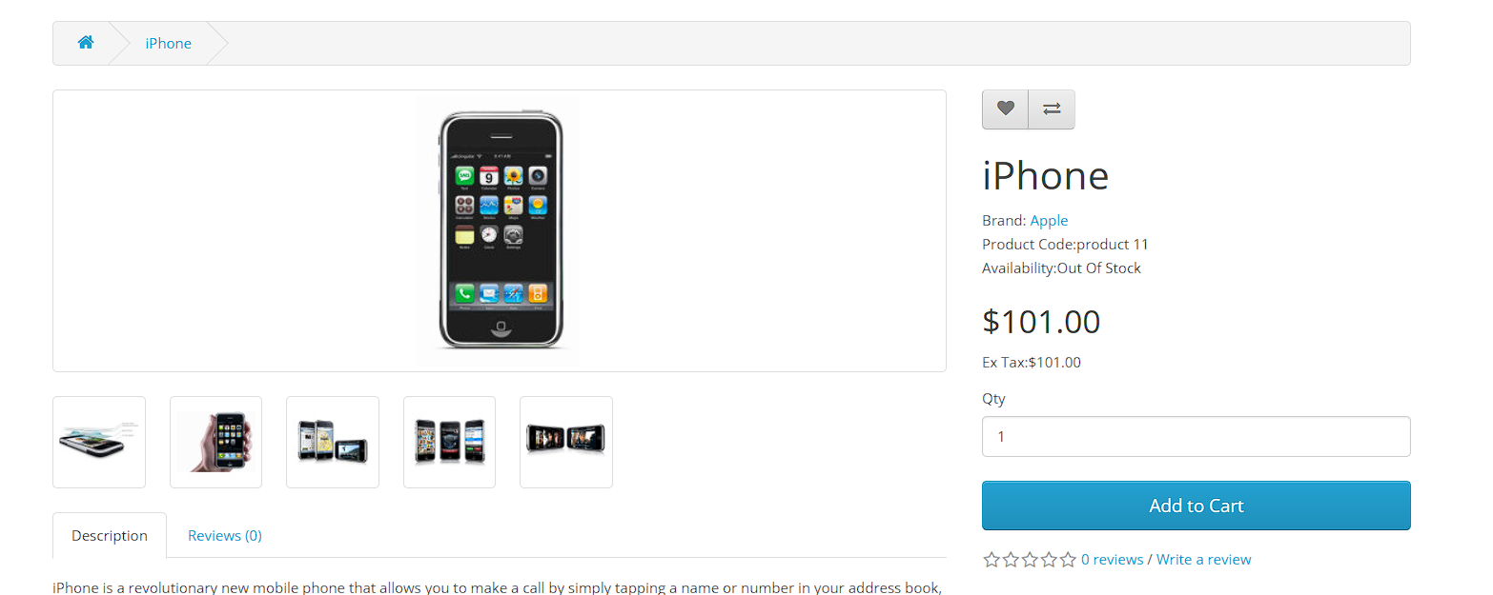
BUG_016 | Image quality is poor across the website. | 1. Open the browser. 2. Enter the website URL. 3. Browse through the products. | Images should be high quality. | Images are of poor quality. | Low | 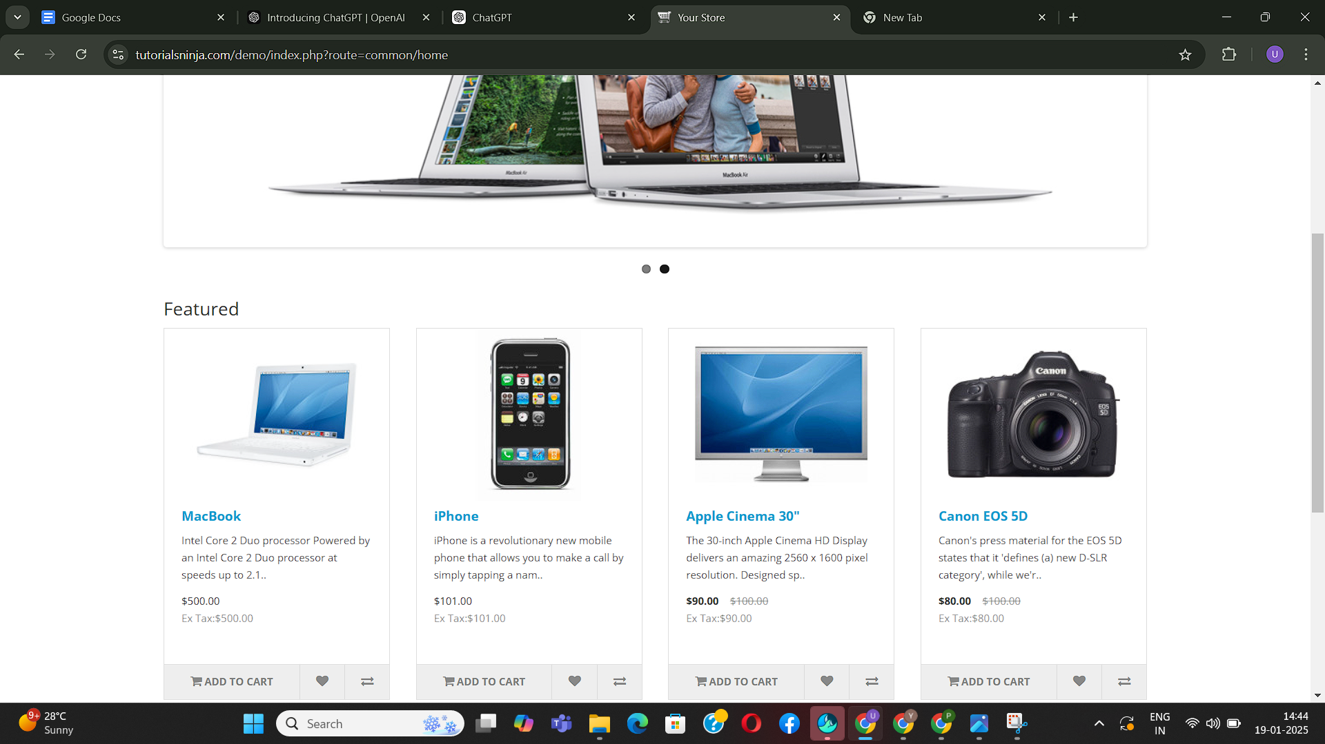
BUG_017 | Pincode field accepts empty input. | 1. Add a product to the cart. 2. Proceed to checkout. 3. Leave the pincode field empty. 4. Submit the form. | An error message should appear stating "Pincode is required". | The form is submitted without a pincode. | High | 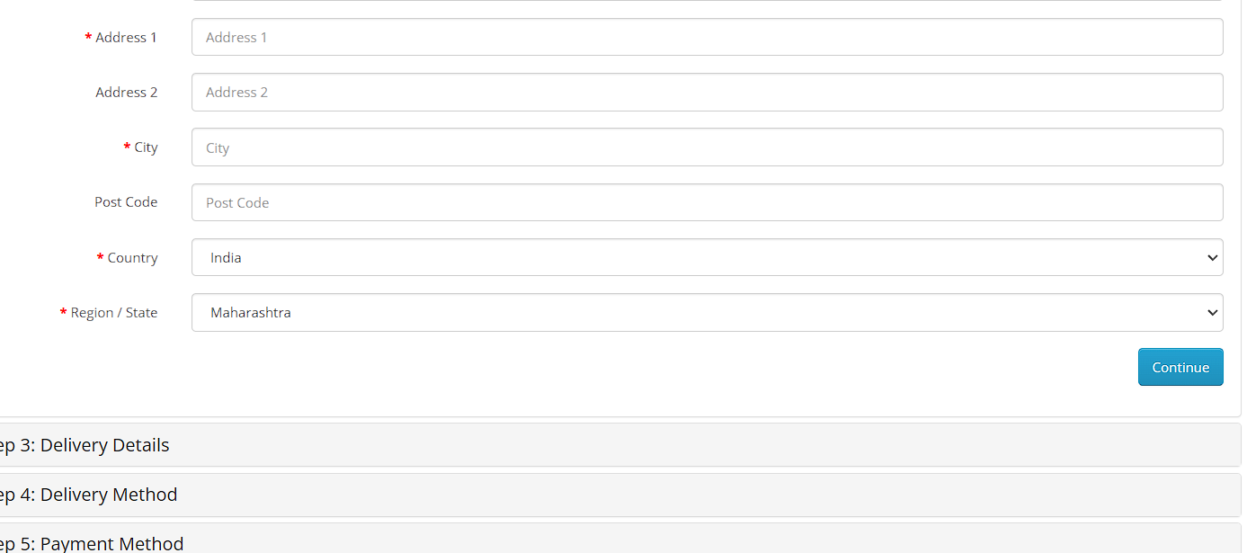
BUG_018 | States are missing for some countries in the billing section. | 1. Add a product to the cart. 2. Proceed to checkout. 3. Open the state dropdown for the "Hungary" country. | All states should be displayed for each country. | States for Hungary are missing. | Medium | 
BUG_019 | Missing company information in the "About" section. | 1. Go to the "About" section. | The section should display detailed company information. | No data is displayed in the "About" section. | Medium | 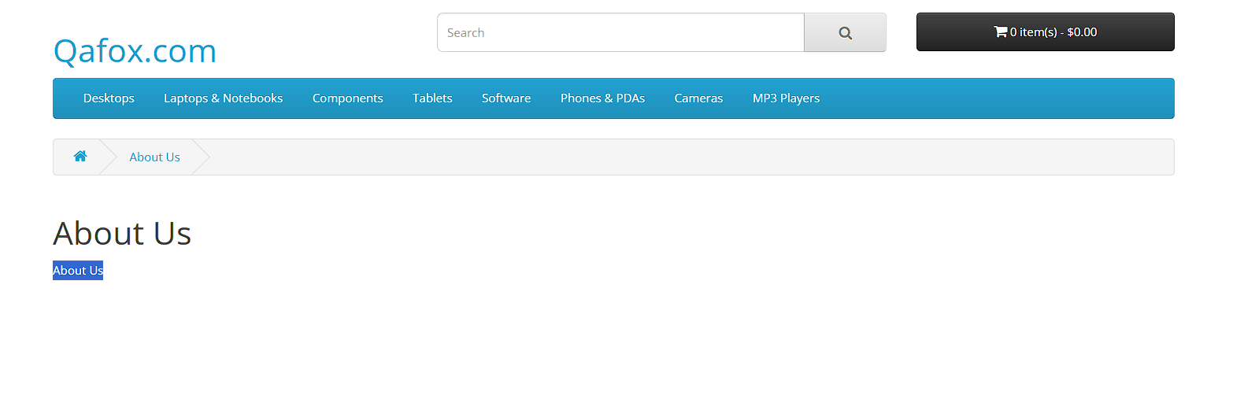
BUG_020 | "Cancel Order" option is missing. | 1. Place an order. 2. Go to the order details page. | A "Cancel Order" button should be available. | The "Cancel Order" option is missing. | Medium | 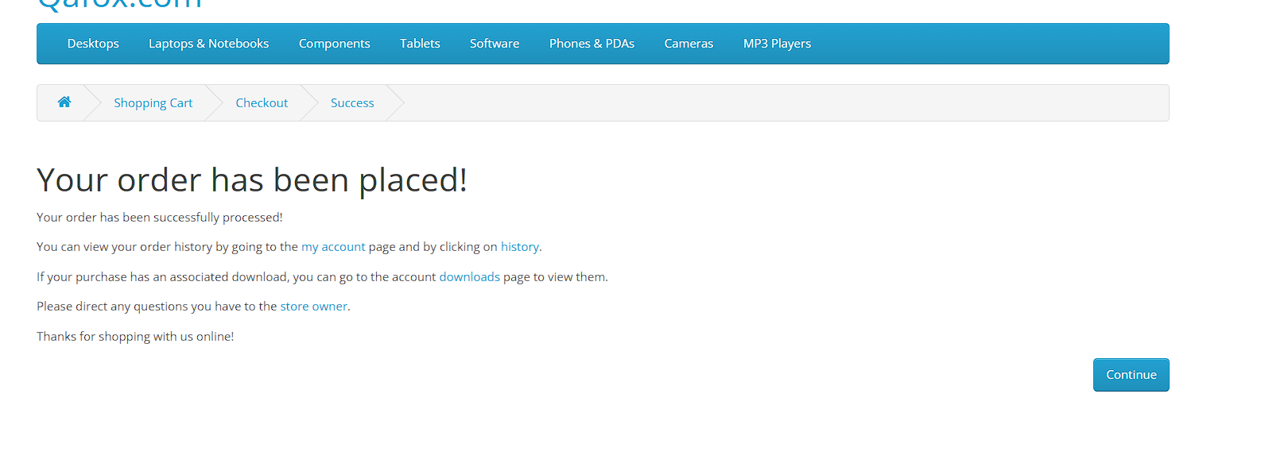
BUG_021 | Password field does not have a visibility toggle. | 1. Go to the login or registration page. 2. Enter a password. | A toggle icon should allow users to show/hide the password. | No option to toggle password visibility. | Low | 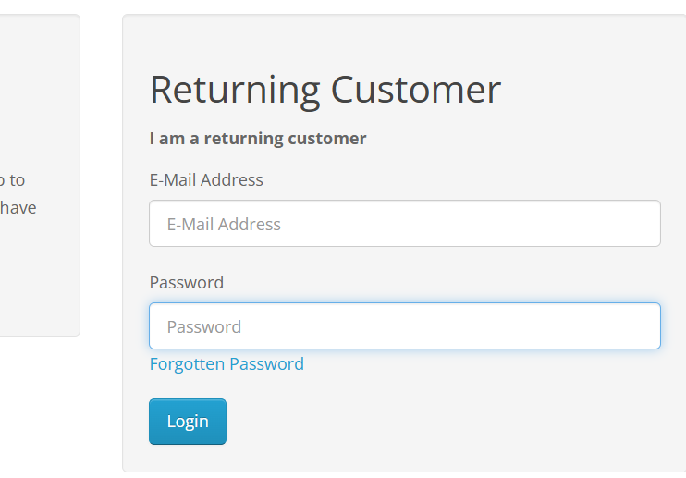
BUG_022 | Multiple login attempts are allowed without a captcha. | 1. Enter invalid credentials multiple times. | After a few attempts, a captcha should appear to prevent bots. | No captcha is displayed, allowing unlimited login attempts. | High
BUG_023 | Weak password validation | 1. Go to the login section. 2. Fill in valid credentials. 3. Click the "Login" button. | Password fields should not accept less than six characters. | Password fields accept less than six characters. | Critical | 
BUG_24 | Plaintext passwords in reset emails | 1. Go to the login section. 2. Click on Forgotten Password 3. Enter email in email section | Passwords will not sent in plaintext in "Forgot Password" emails. | Passwords sent in plaintext in "Forgot Password" emails. | Critical | 